Online Java Editor
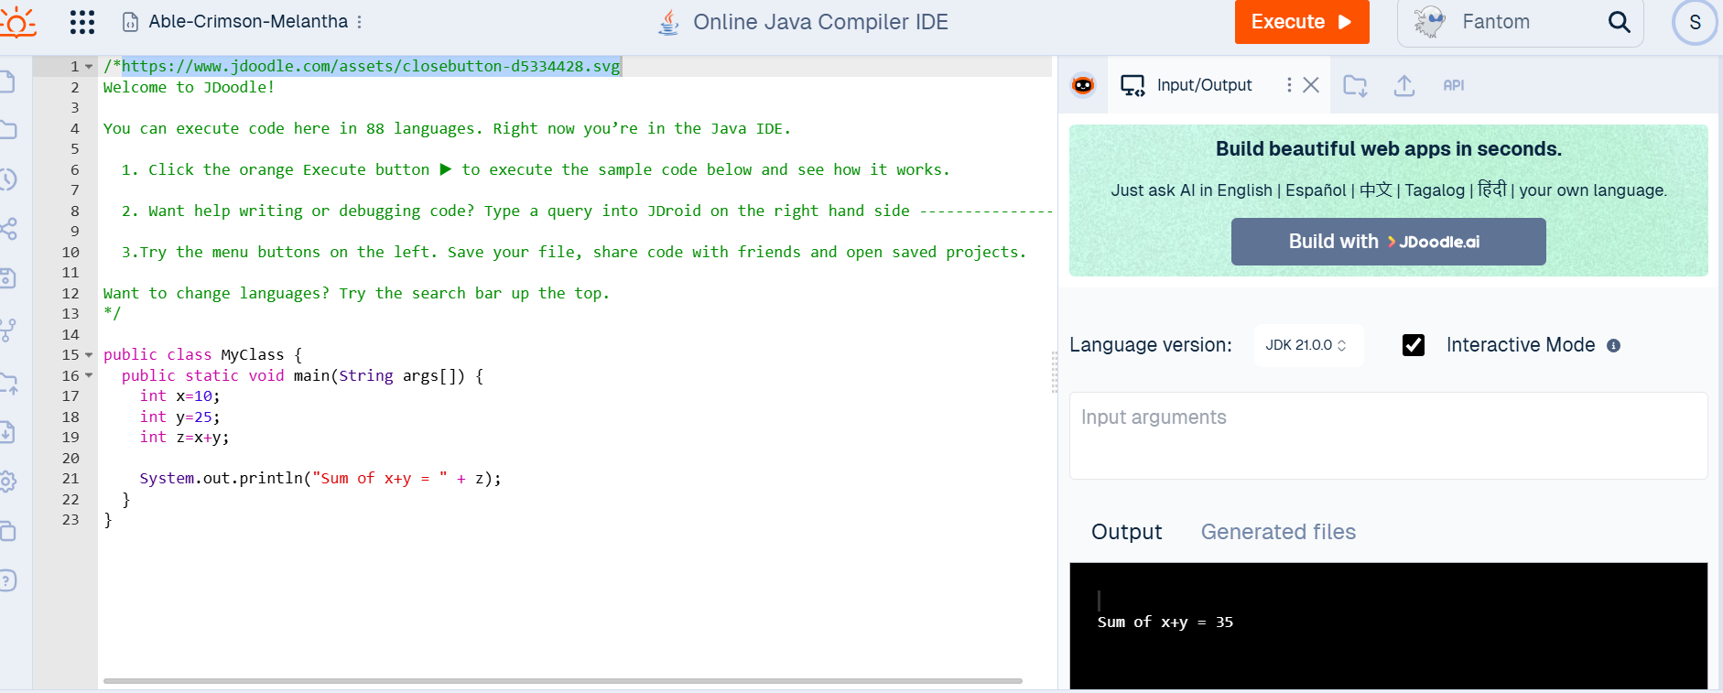
URL: | https://www.jdoodle.com/online-java-compiler

Submit your solution in a word document with a screenshot as below :-

